2024
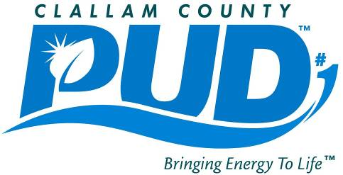

Purchase Order Contracts for Monthly Purchases of Items Aggregating $30,000 to $120,000
From January 2024 through February 2024.

PO Number | Name of Vendor | Description of Items Purchased | PO Date | Amount of Line Item
25427 | MICHAEL JONES | 2010 FREIGHTLINER M2-112 | 2024-01-08 | $74,900.00
 |  |  | January Subtotal | $74,900.00

25501 | GENERAL PACIFIC INC | 25KVA 15KV 240/120V MS PADMOUNT TRANSFRM | 2024-02-21 | $111,405.00
 |  |  | February Subtotal | $111,405.00

 |  |  | 2024 Total | $186,305.00

